Sheet1
dataset | HaGrid | Dgrid | Ours
Sensorless_drive_diagnosis | 1.54 | 17.82 | 0.26
Condition_based_maintenance | 0.18 | 18.19 | 0.17
Cup98LRN | 16.54 | 17.01 | 2.75
Google_playstore_sentiment | 0.84 | 19.23 | 0.38
BeijingPM2.5 | 10.25 | 16.3 | 20.8
Human_activity_recognition | 0.55 | 17.9 | 20.14
Crowd_sourced_mapping | 0.19 | 18.45 | 0.17
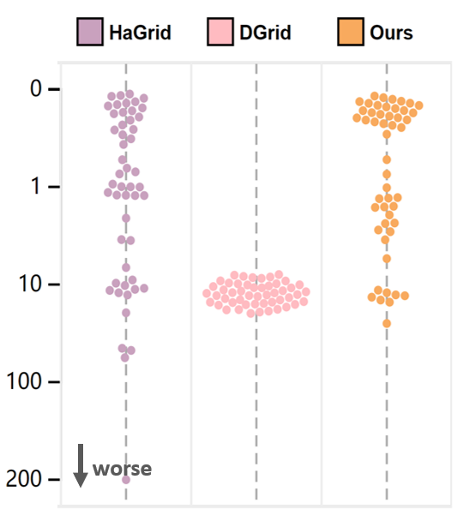
Telescope | 0.37 | 18.59 | 0.72
Credit_card_fraud | 76.01 | 18.12 | 20.29
MoCap | 1.52 | 18.1 | 0.87
BlackFriday | 9.96 | 23.52 | 4.38
2008_cancelled_flights | 71.19 | 16.67 | 1.07
Barcelona_accident | 0.19 | 17.7 | 0.32
HT_sensor | 224.26 | 17.94 | 7.61
Epileptic_seizure | 0.2 | 19.84 | 0.18
Terrorism | 36.05 | 17.45 | 2.9
Mnist_tsne | 1.23 | 20.32 | 0.25
Swiss_roll_3d | 0.18 | 17.57 | 0.17
Nomao | 1.35 | 17.2 | 2.26
Person_activity | 12.99 | 19.11 | 0.46
Diamonds | 5.93 | 17.47 | 19.2
Wine | 5.86 | 18.41 | 45.93
Gas_sensor_array_drift | 0.49 | 16.59 | 0.21
Abalone | 0.07 | 16.61 | 0.18
Gesture_phase | 0.09 | 16.98 | 0.29
CS_rankings | 1.53 | 20.38 | 0.28
Satimage | 0.07 | 16.71 | 0.19
Avila | 0.12 | 16.8 | 0.18
Forest_covertype | 69.82 | 18.98 | 25.45
Clothes | 0.47 | 20.05 | 0.19
News_popularity | 1.65 | 20.53 | 19.15
Grammatical_facial_expression | 0.33 | 17.41 | 0.34
Swiss_roll_2d | 0.14 | 18.28 | 0.18
Hathi_trust_library | 10.67 | 21.12 | 4.93
Daily_sports | 17.2 | 18.48 | 4.51
Manhattan | 0.24 | 17.87 | 0.19
Phyllotaxis | 0.17 | 20.79 | 2.2
Basketball | 0.41 | 19.36 | 0.19
Dc_census_citizens | 8.43 | 19.49 | 3.44
Chicago_crimes | 3.88 | 19.12 | 2.59
DBLP_samples | 14.99 | 23.11 | 5.84
Music | 0.41 | 19.33 | 0.2
News | 0.73 | 19.69 | 0.2
Paleontology | 0.81 | 19.92 | 0.21
COVID-19_deaths | 1.56 | 18.41 | 19.86
GridGena | 0.86 | 20.01 | 0.19
GaAsH6 | 1.11 | 20.87 | 0.24
Copter | 0.98 | 20.56 | 0.23
News_aggregator | 13.73 | 16.48 | 4.88
GNFUV | 0.22 | 15.7 | 2.18

